Pull request steps
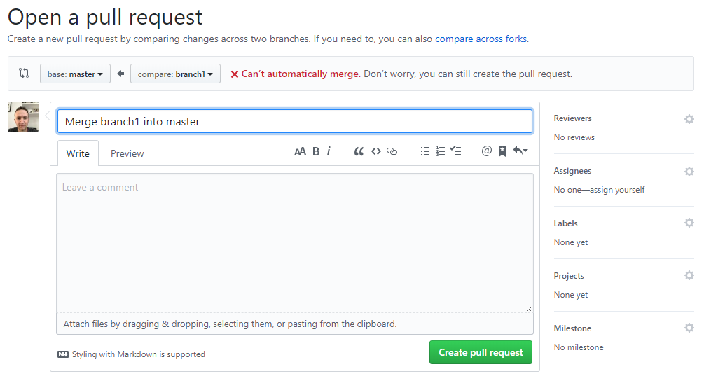
1

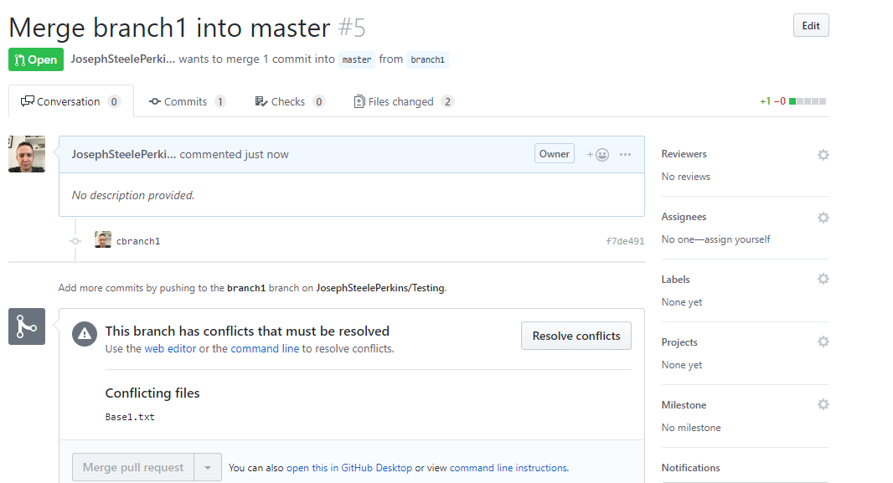
2

3 - click on Resolve conficts

4 - edit file

5 - click on Mark as resolved and then Commit

6 - click on Merge button in Pull Request

